Q2
The following Pie chart shows the percentage of students who like five different subjects |  |  | Total Students | 1000
of engineering from college x. Percentage of students who like 5 different subjects of engineering.

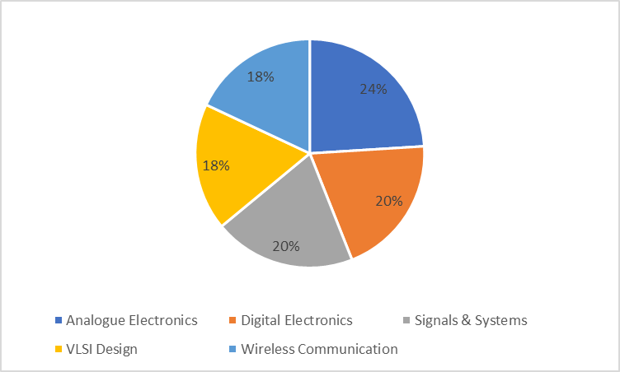
 |  | Q1. What is the difference between the number of students who like Analogue Electronics and VLSI
 |  | Design?
 |  |  | 60.00

 |  | Q2. Find the total number of students who like Analogue Electronics, VLSI Design and Wireless
 |  | Communication.
 |  |  | 600.00

 |  | Q3. The number of students who like VLSI Design are how much percent less than the number of
 |  | students who like Analogue Electronics?

 |  |  | 25%

SUB name | No of Student
Analogue elctctronics | 240.00
Digital electornics | 200.00
siganal & system | 200.00
VLSI Design | 180.00
Wireless Comunication | 180.00

